cost breakdown
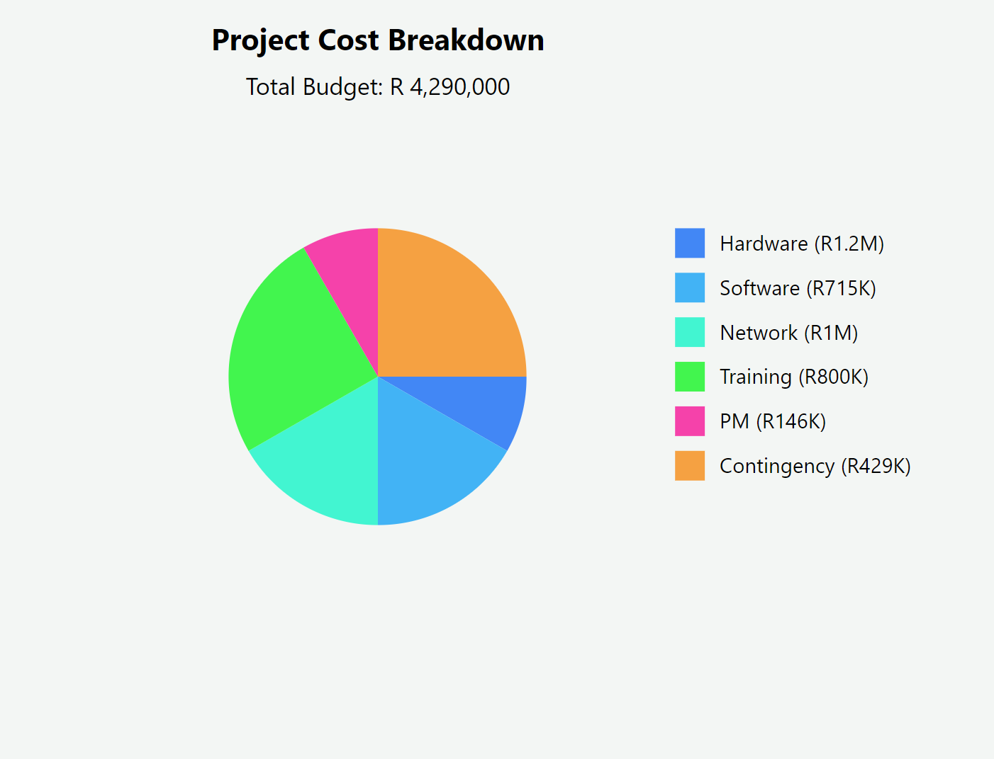
Cost Code | Cost Item | Cost Type | Estimated Cost (R) | Actual Cost (R)
C1 | Hardware | Direct Cost | 1,200,000
C2 | Software Licenses | Direct Cost | 715,000
C3 | Network Equipment | Direct Cost | 1,000,000
C4 | Staff Training | Direct Cost | 800,000
C5 | Project Management | Direct Cost | 146,000
C6 | Contingency | Indirect Cost | 429,000
Total |  |  | 4,290,000

